Sheet2
 | Tilt Angle Calculator: Calculates minimum / maximum tilting angles for a solar panel using MBRTILT01 brackets.

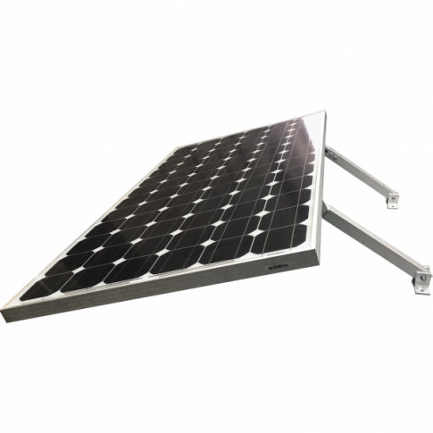
ENTER MEASUREMENTS HERE:
Step 1: Enter the width of your solar panel frame Ⓐ Step 2: Enter the distance between the solar panel and your planned position of the brackets Ⓑ

Panel width (cm)
Mount distance from panel (cm)

B
A

RESULTS:
Using the data provided, the calculator has generated 3 pieces of information:
j The minimum and maximum angles at which the solar panel can be tilted. The panel can be tilted at any angle within these upper/lower limits.

2
Minimum tilting angle (°)
Maximum tilting angle (°)

k The minimum and maximum lengths to which the brackets will be able to retract/extend.
1
3
Minimum adjustable length (cm) | 39
Maximum adjustable length (cm) | 67

l The total distance from the furthest edge of the solar panel to the brackets. This may be useful for knowing exactly how much space the solar panel installation will occupy.

Total installation width (cm) | 0

